Sheet1
CIFAR-10 Evaluation Report
 | Model(s) | GPU(O/X) | Batch_size | Activation function | Weight initialization | Optimizer | Learning rate | Momentum | Weight decay | LR decay | training time (m) | Early stopping epoch | Accuracy
Setting #1 | MLP | O | 128 | ReLU | He_normal | SGD | 0.1 | 0.9 | O | O | N.A (training stopped prematurely) | N.A. (training stopped prematurely) | 10.00%
Setting #2 | LeNet5 | O | 128 | ReLU | X | SGD | 0.1 | 0.9 | O | O | 36.21 (without val_acc storage) | 35 | 46.40%
Setting #3 | ResNet32 | O | 128 | ReLU | He_normal | SGD | 0.1 | 0.9 | O | O | 140.49 | 123 (empirical) | 89.24%
Setting #4 | ALL | O | 128 | ReLU | X (LeNet5) / He_normal (MLP, ResNet 32) | Adam | 0.001 | N.A. | X | O | 51.38 (MLP), 35.13 (LeNet5), 66.72 (ResNet32) | 164, 162, 135 (all empirical) | 56.64% (MLP), 74.22% (LeNet5), 90.26% (ResNet32)
Validation dataset accuracy plot
Setting #2
Setting #3
Setting #4 (MLP)
Setting #4 (LeNet5)
Setting #4 (ResNet32)
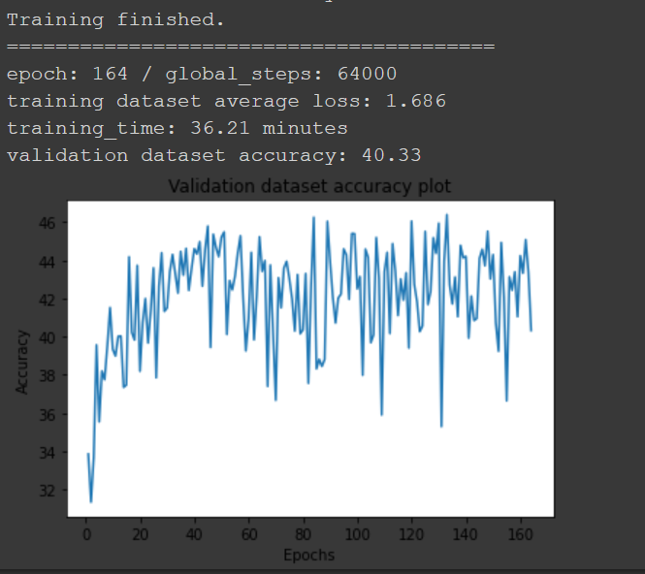 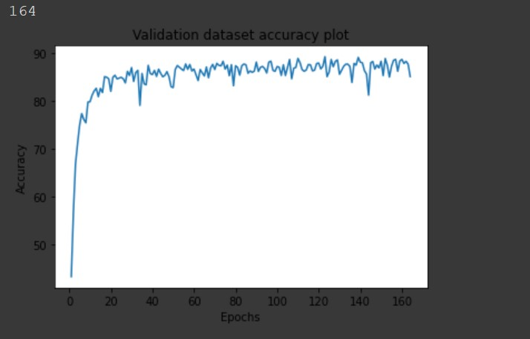 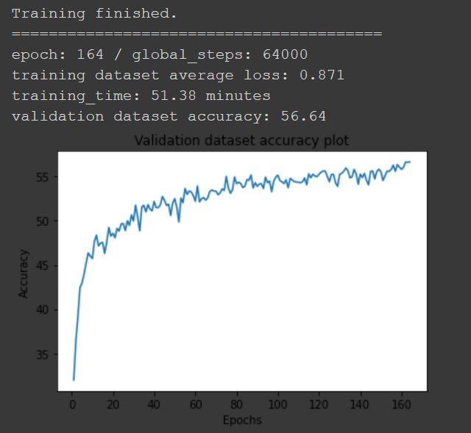 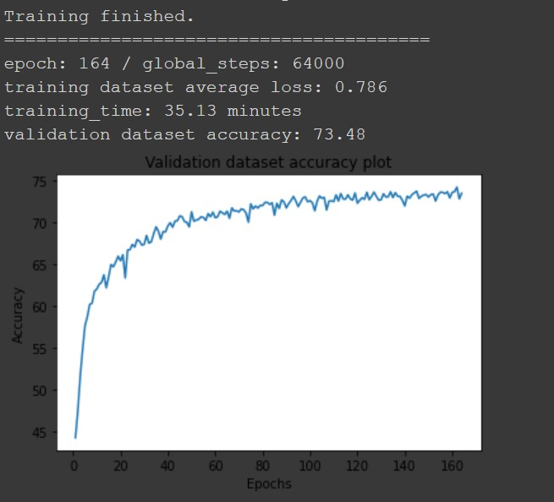 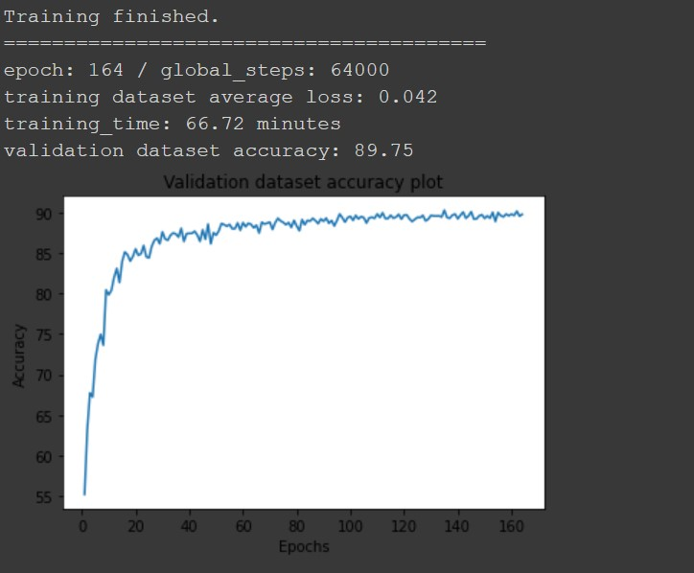

[결과 정리] To accelerate training, the code provided was modified to run on Google Colab. In fact, it was approximately 6 times faster than using the GPU originally owned (it took >7 hours to train ResNet32 on the personal GPU), although the addition of file-saving procedures (i.e. val_acc storage) slowed the code down considerably (since drive access using Colab seems to be extremely slow). An MLP model was trained with the default settings (setting #1), but it failed to learn anything (validation set accuracy = 0.10; no better than random guessing) even after a number of "epochs". Hence it was not trained to completion and the uninformative graph of a horizontal straight line was omitted. Check the MLP portion of the files submitted for more information on the architecture etc. The model and settings were updated a number of times throughout the completion of the assignment. In addition, the resulting graphs suggest that most models (with the exception of setting #2) were not trained until the end/to convergence, which is expected since 64000 images translate to only a little more than one full run through the whole dataset (i.e. slightly more than an actual epoch). The default settings (SGD with weight and learning rate decay) produced subpar results for all 3 models, presumably because Adam with decent hyperparameters performs significantly better than SGD, in addition to other possible reasons such as the initial learning rate being too high or the weight/learning decay being too aggressive. Using a more adaptive learning rate schedule (reducing learning rate on plateau) may also have improved the performance of the models. Due to time constraints, a proper ablation study was not conducted, nor were the models trained to convergence. However, the results roughly align with research results. Early stopping epochs are empirical (i.e. chosen according to best validation set performance despite non-convergence) where it is evident convergence has not occu

